Sheet2
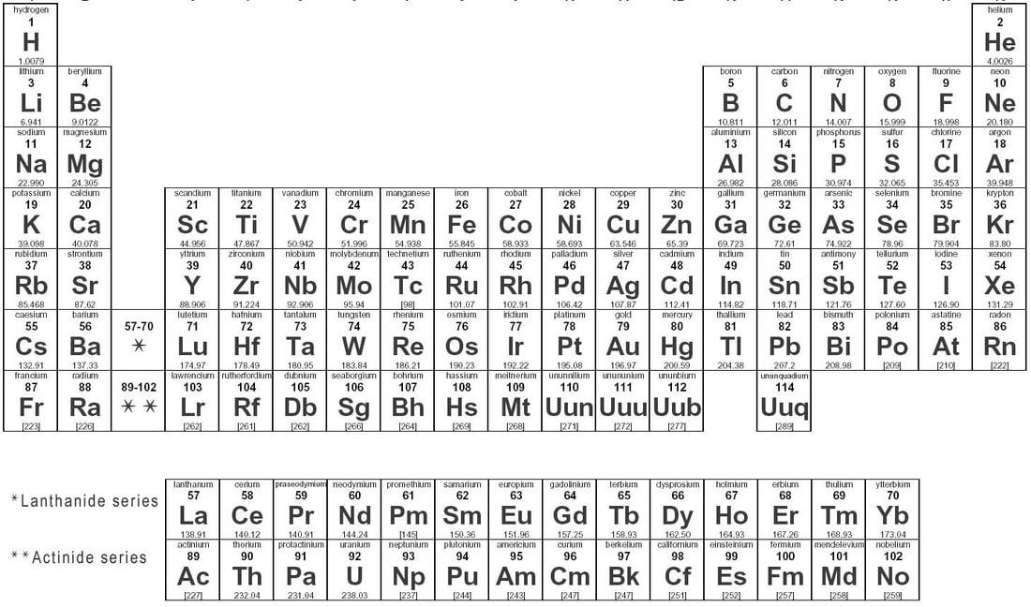
mineral | # of Ca | # of Na | # of K | # of Mg | # of Fe | # of Al | # of Ti | # of Si | # of O | # of H | # of S | Mr
augite | 0.9 | 0.1 |  | 0.9 | 0.2 | 0.4 | 0.1 | 1.9 | 6 |  |  | 236.362
corundum |  |  |  |  |  | 2 |  |  | 3 |  |  | 101.92
gypsum | 1 |  |  |  |  |  |  |  | 6 | 4 | 1 | 172.19
hematite |  |  |  |  | 2 |  |  |  | 3 |  |  | 159.7
magnetite |  |  |  |  | 3 |  |  |  | 4 |  |  | 231.55
orthoclase |  |  | 1 |  |  | 1 |  | 3 | 8 |  |  | 278.33
periclase |  |  |  | 1 |  |  |  |  | 1 |  |  | 40.31
pyrite |  |  |  |  | 1 |  |  |  |  |  | 2 | 119.99
ruby |  |  |  |  |  | 2 |  |  | 3 |  |  | 101.92
sapphire |  |  |  |  |  | 2 |  |  | 3 |  |  | 101.92
serpentine |  |  |  | 3 |  |  |  | 2 | 9 | 4 |  | 277.15
topaz |  |  |  |  |  | 2 |  | 1 | 6 | 2 |  | 180.03
anorthite | 1 |  |  |  |  | 2 |  | 2 | 8 |  |  | 278.18
 | 40.08 | 22.99 | 39.1 | 24.31 | 55.85 | 26.96 | 47.87 | 28.09 | 16 | 1.01 | 32.07

